Newtom_Raphson_Formulas2
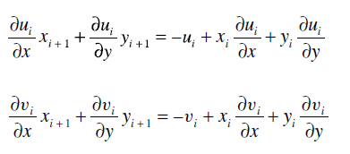

Descomposicion LU
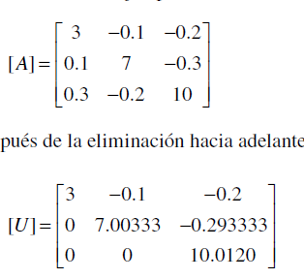

 |  |  |  | r2=r2-F*r1 | F=0.1/3

 |  |  |  | r3=r3-F*r1 | F=0.3/3
 |  |  |  |  |  |  | 3 | -0.1 | -0.2

 |  |  |  |  |  |  | 0 | 7.00333 | -0.299
 |  |  |  |  |  |  | 0 | -0.19+0.19/7.00333*-0.19 | 10.02+0.19/7.0033*-0.29333
 |  |  |  | 3 | -0.1 | -0.2 | 0 | 0 | 10.012041937
 |  |  |  | 0.1-0.1/3*3 | 7-0.1/3*-0.1 | -0.3-0.1/3*-0.2
 |  |  |  | 0 | 7.00333 | -0.299 |  | -0.38
 |  |  |  | 0.3-0.3/3*3 | -0.2-0.3/3*-0.1 | 10-0.3/3*-0.2
 |  |  |  | 0 | -0.19 | 10.02
 |  |  |  | 0 | F=-0.19/7.00333 | 10.02+0.19/7.0033*-0.29333 |  | F=-0.19/7.00333
 |  |  |  | 0 | 0 | 10.012041937 |  | r3=r3-Fr2

 | 1 | 0 | 0
L | 0.033333333333 | 1 | 0
 | 0.1 | -0.027129951038 | 1

Thomas-LU
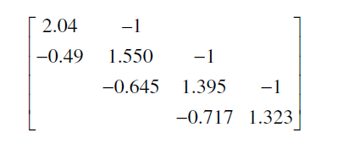
 |  | 2.04 | -1
 | U | -0.49-(-0.49/2.04)*2.04 | 1.55 | -1
 |  | 0 | -0.645-(-0.645/1.55)*1.55 | 1.395 | -1
 |  |  | 0 | -0.717-(-0.717/1.395)*1.395 | 1.323
 |  |  |  | 0

 |  | 2.04 | -1
 | U |  | 1.55 | -1
 |  |  |  | 1.395 | -1
 |  |  |  |  | 1.323

r2=r2-F*r1

F=-0.49/2.04
F-0.645/1.55 |  | 1
F=-0.717/1.395 |  | -0.24019607843 | 1
 | L |  | -0.41612903226 | 1
 |  |  |  | -0.51397849462 | 1

